Reporte de ingredientes
Ingredientes por semana |  |  |  | Pedido semanal

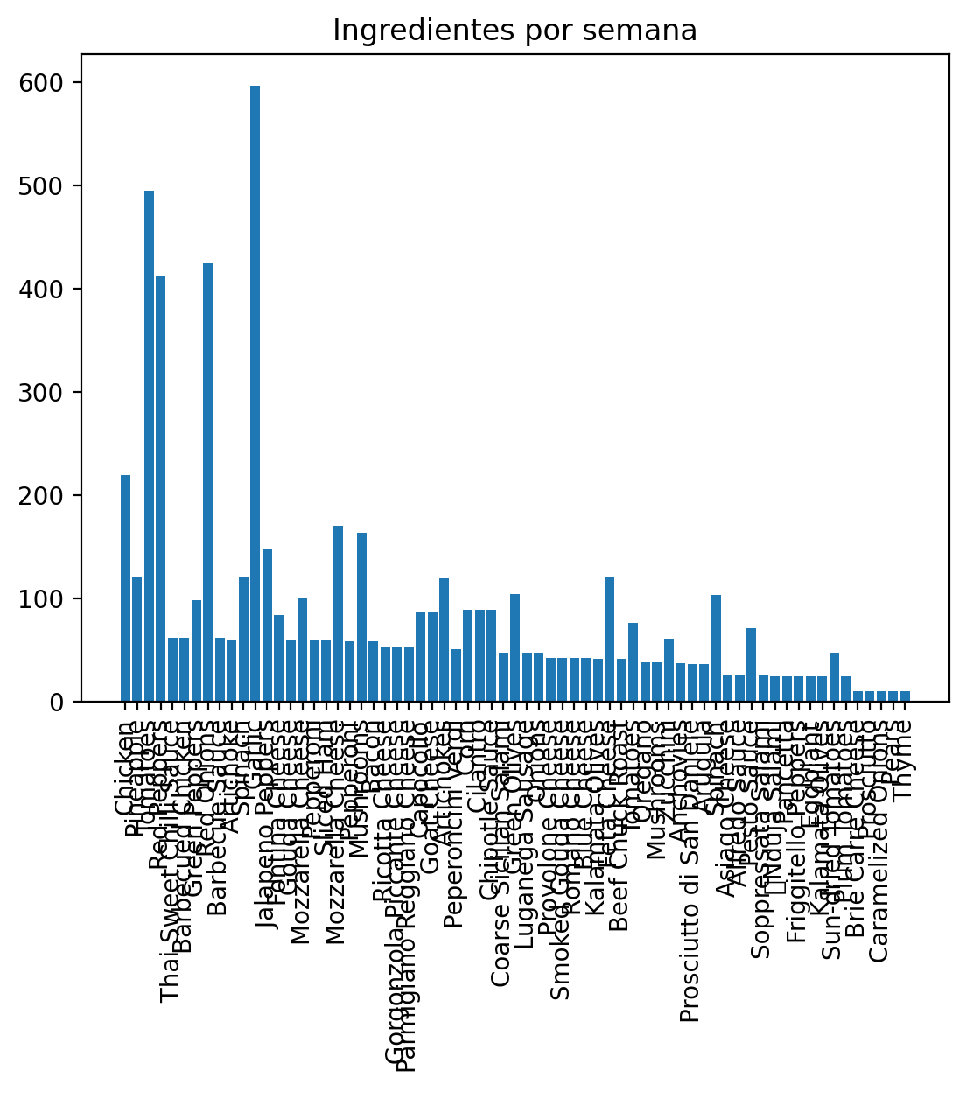
 |  |  |  |  | Ingredientes | Cantidad
 |  |  |  | 0 | Chicken | 219
 |  |  |  | 1 | Pineapple | 120
 |  |  |  | 2 | Tomatoes | 495
 |  |  |  | 3 | Red Peppers | 413
 |  |  |  | 4 | Thai Sweet Chilli Sauce | 62
 |  |  |  | 5 | Barbecued Chicken | 62
 |  |  |  | 6 | Green Peppers | 98
 |  |  |  | 7 | Red Onions | 425
 |  |  |  | 8 | Barbecue Sauce | 62
 |  |  |  | 9 | Artichoke | 60
 |  |  |  | 10 | Spinach | 120
 |  |  |  | 11 | Garlic | 597
 |  |  |  | 12 | Jalapeno Peppers | 148
 |  |  |  | 13 | Fontina Cheese | 84
 |  |  |  | 14 | Gouda Cheese | 60
 |  |  |  | 15 | Mozzarella Cheese | 100
 |  |  |  | 16 | Pepperoni | 59
 |  |  |  | 17 | Sliced Ham | 59
 |  |  |  | 18 | Mozzarella Cheese | 170
 |  |  |  | 19 | Pepperoni | 58
 |  |  |  | 20 | Mushrooms | 163
 |  |  |  | 21 | Bacon | 58
 |  |  |  | 22 | Ricotta Cheese | 53
 |  |  |  | 23 | Gorgonzola Piccante Cheese | 53
 |  |  |  | 24 | Parmigiano Reggiano Cheese | 53
 |  |  |  | 25 | Capocollo | 87
 |  |  |  | 26 | Goat Cheese | 87
 |  |  |  | 27 | Artichokes | 119
 |  |  |  | 28 | Peperoncini verdi | 51
 |  |  |  | 29 | Corn | 89
 |  |  |  | 30 | Cilantro | 89
 |  |  |  | 31 | Chipotle Sauce | 89
 |  |  |  | 32 | Coarse Sicilian Salami | 47
 |  |  |  | 33 | Green Olives | 104
 |  |  |  | 34 | Luganega Sausage | 47
Calidad de datos del dataframe |  |  |  | 35 | Onions | 47
 |  |  |  | 36 | Provolone Cheese | 42
 | Calidad de datos del dataframe final |  |  | 37 | Smoked Gouda Cheese | 42
 |  |  |  | 38 | Romano Cheese | 42
 |  | Nulls | NaNs | 39 | Blue Cheese | 42
 | Ingredientes | 0 | 0 | 40 | Kalamata Olives | 41
 | Cantidad | 0 | 0 | 41 | Feta Cheese | 120
 |  |  |  | 42 | Beef Chuck Roast | 41
 |  |  |  | 43 | Tomatoes | 76
 | Calidad de datos del dataframe pedidos |  |  | 44 | Oregano | 38
 |  |  |  | 45 | Mushrooms | 38
 |  |  |  | 46 | Zucchini | 61
 |  | Nulls | NaNs | 47 | Anchovies | 37
 | order_details_id | 0 | 0 | 48 | Prosciutto di San Daniele | 36
 | order_id | 0 | 0 | 49 | Arugula | 36
 | pizza_id | 0 | 0 | 50 | Spinach | 103
 | quantity | 0 | 0 | 51 | Asiago Cheese | 25
 |  |  |  | 52 | Alfredo Sauce | 25
 | Calidad de datos del dataframe pizza_ingrediente |  |  | 53 | Pesto Sauce | 71
 |  |  |  | 54 | Soppressata Salami | 25
 |  | Nulls | NaNs | 55 | Nduja Salami | 24
 | pizza_id | 0 | 0 | 56 | Pancetta | 24
 | name | 0 | 0 | 57 | Friggitello Peppers | 24
 | category | 0 | 0 | 58 | Eggplant | 24
 | ingredients | 0 | 0 | 59 | Kalamata Olives | 24
 |  |  |  | 60 | Sun-dried Tomatoes | 47
 |  |  |  | 61 | Plum Tomatoes | 24
 |  |  |  | 62 | Brie Carre Cheese | 10
 |  |  |  | 63 | Prosciutto | 10
 |  |  |  | 64 | Caramelized Onions | 10
 |  |  |  | 65 | Pears | 10
 |  |  |  | 66 | Thyme | 10

